Initial Assessment
Use: The Ergonomic Risk Assessment Tool is limited to assessment of ergonomic risk factors impacting the upper extremities, and is appropriate for office work, assembly and process line work environments. The Initial Assessment (IA Worksheet) is used to develop a baseline risk score and action level with possible control measures to reduce risk factor scores. It is suggested that videotape analysis be used to study task repetition, postures, lifts, pulls, pushes, carries, and other factors covered by the assessment tool.

Instructions: For each row that applies, score the task based on the duration and observed risk factor. Score one row per risk factor category for Repetition, Lift, Push/Pull, and Carry>10ft. For 'Postures' and 'Environment', score all rows that apply. Individual risk factor scores of 2 or more, treatments may be needed and briefly described in 'Comments' section. Add the risk factor scores to determine the Action Level Total. If the total sum of ergonomic risk factors is 10 or less (Action Level 1) the risk is considered low and may require further treatment; if the total is between 11 and 22 (Action Level 2) it requires treatment in the near future; if the total exceeds 22 (Action Level 3) immediate treatment is required.

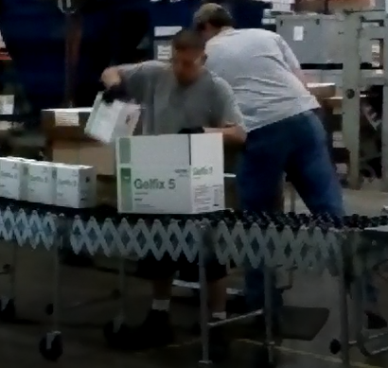
Job Task: Packing | Evaluator: ENTER NAME HERE |  |  | Dept: ENTER DEPT HERE |  | Date: ENTER DATE HERE
Risk Factor | Duration of Task |  |  |  | Score | Comments
 | <1 hr | 1 - 4 hrs | >4 Hrs | N/A
Repetition | Enter Only One Score
Every few minutes | 0 | 0 | 1
Every few seconds | 0 | 1 | 3 |  |  | example: 18-21 small boxes per minute
Lifting | Enter Only One Score
5 to 15 lbs. | 0 | 0 | 1 |  |  | example: 5 pounds small boxes
15 to 30 lbs. | 1 | 1 | 2
30 to 50 lbs. | 2 | 2 | 3
Over 50 lbs. | 3 | 3 | 3
Push/Pull Force | Enter Only One Score |  |  |  |  |  | Watch the packaging operation Video. Perform Initial Assessment (IA) using the tool.
Easy | 0 | 0 | 1
Moderate | 0 | 1 | 2
Heavy | 1 | 2 | 3
Carry > 10 feet | Enter Only One Score
5 to 15 lbs. | 0 | 0 | 1
15 to 30 lbs. | 0 | 1 | 2 |  |  |  | Next HoERC:
Over 30 lbs. | 1 | 2 | 3
Postures | Score Each
Head Tilt | 0 | 1 | 2
Shoulder Reaching | 0 | 1 | 2
Flying Elbow | 0 | 1 | 2
Bent wrist/pinch grip | 0 | 1 | 2
Bend or twist waist | 0 | 1 | 2
Environmental | Score Each
Noise | 0 | 1 | 2 |  |  | example: Noise > 90 dBA.
Lighting/glare | 0 | 1 | 2
Work/walking surface | 0 | 1 | 2
Impact/compression | 0 | 1 | 2
Vibration | 0 | 1 | 2
Excessive Pace | 0 | 1 | 2
Temperature/Humidity | 0 | 1 | 2
 | Action Level Total |  |  |  | 0
Action Level 1 | Total score of 10 or less may require further analysis
Action Level 2 | Total score of 11 to 22 requires treatment in near future
Action Level 3 | Total score of 23 to 36 requires immediate treatment

 |  |  |  |  | This tool was created in partnership with BCSP Foundation and the University of Central Missouri. The original best practice guide was published in SHIFT and can be found here.
 |  |  |  |  | Tell us what you think! Do you find this tool helpful? Do you have feedback you'd like to share? Or maybe you have an idea for another tool that would be helpful? Let us know here!

 |  |  |  |  |  |  |  | 0 | 0 | 0 | 0
 |  |  |  |  |  |  |  | 1 | 1 | 1 | 1 | 1
 |  |  |  |  |  |  |  |  | 3 | 2 | 2 | 2 | 2
 |  |  |  |  |  |  |  |  |  |  | 3 |  | 3

HoERT
Hierarchy of Ergonomic Risk Treatment
Method | Phase/Application | Examples | Effectiveness | Comments/Justification | Automate
Avoidance | Conceptual Stage - Design/Redesign | Prevent entry of hazard into workplace by design through selection of technology and work methods. | High
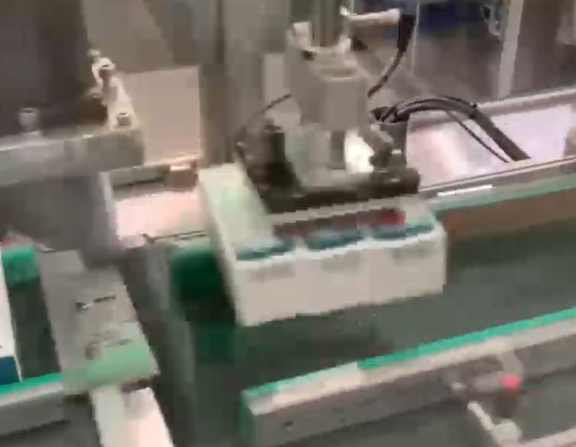

Elimination | Existing Process - Redesign | Eliminate hazard by changes in design, equipment and methods | High

Substitution | Existing Process - Redesign | Substitute materials, sizes, weights and other aspects to a lower hazard severity or likelihood | Moderately High

Engineering Controls | Existing Process - Redesign | Reduce hazard by changes to workplace, tools, equipment, fixtures, adjustability, layout, lighting, work environment | Moderate

 |  |  |  |  | Next: Go to FA Worksheet

Administrative Controls | Existing Process - Practices and Procedures | Reduce exposure to hazard by changes in work practices, training, job enlargement, job rotation, rest breaks, work pace | Moderately Low

Personal Protective Equipment | Existing Process - Workers | Reduce impact of hazard to employee by use of protective equipment and materials such as vibration attenuation gloves | Low

